Introduction
Lets get some insights to the subject topic !!
Storing file paths in the database to be best. Issues: database storage is usually more expensive than file system storage complex to manage integrity between db metadata and file system data super-accelerate file system access with standard off the shelf products ( eg:sendfile())

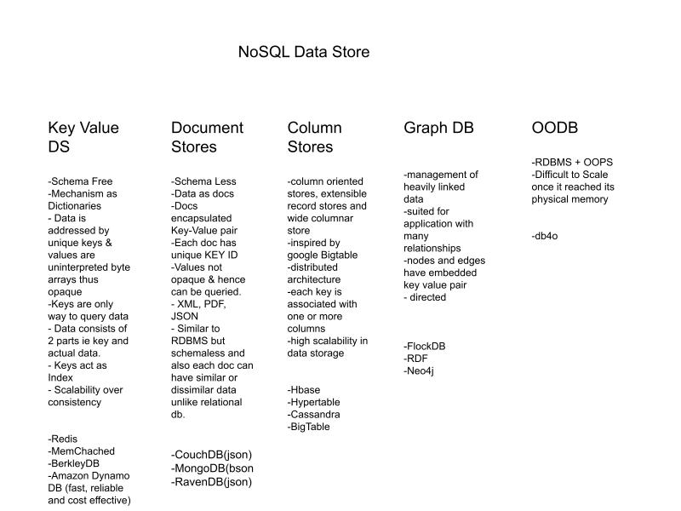
To insert images into a database, the database must support images. Images are stored in binary in a table cell. The data type for the cell is a binary large object (BLOB), which is a new SQL type in SQL3 for storing binary data

Misc Articles:
https://perspectives.mvdirona.com/2008/06/facebook-needle-in-a-haystack-efficient-storage-of-billions-of-photos/
https://stackoverflow.com/questions/792134/alternative-to-amazon-s3-for-the-data-center
https://stackoverflow.com/questions/67425280/is-it-efficient-to-store-images-inside-mongodb-using-gridfs
https://stackshare.io/stackups/mongodb-vs-mongodb-atlas
https://blog.couchbase.com/the-best-database-for-storing-images-might-not-be-a-database-at-all/
https://blog.twitter.com/engineering/en_us/topics/infrastructure/2017/the-infrastructure-behind-twitter-scale

Images
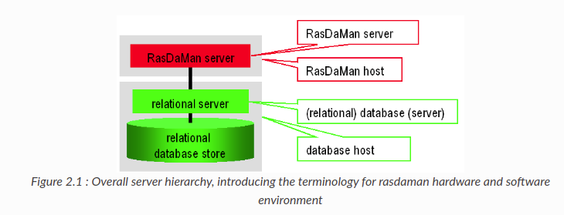
Rasdaman Compression Techniques
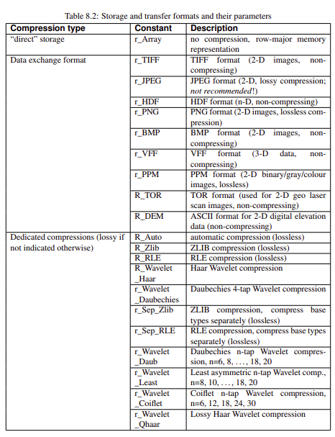
 | rasdaman architecture

Benchmarking
Compression type | Compression level (default = -1) | Input data size (GB) | Output array size (GB) | Compression Time (millisec) | Throughput (GB/s) | Decompression time
None | None | 2.39 | 7.5 | 404594 | 0.00590715631
GZIP | -1 | 2.39 | 3.5 | 394491 | 0.006058439863
Double Delta | -1 | 2.39 | 5.8 | 414063 | 0.005772068502
RLE | -1 | 2.39 | 13.1 | 490243 | 0.004875133352
TileDB for different compression techniques
LZ4 | -1 | 2.39 | 4.7 | 418016 | 0.005717484498
ZSTD | -1 | 2.39 | 3.5 | 366505 | 0.006521057012
BZIP2 | -1 | 2.39 | 3 | 516785 | 0.004624747235
GZIP | 5 | 2.39 | 3.5 | 359621 | 0.006645885529
GZIP | 9 | 2.39 | 3.5 | 366935 | 0.006513415183

TileDB - Compression
TileDB - Ingestion rate

Retrieval time
Ingestion time

Databases | Input size (GB) | Ingestion time (s) | Throughput (GB/s) | Retrieval time (s) | Storage
TileDB | 0.125212601 | 20.0664 | 0.006239913537 | 38.4117
Rasdaman | 0.125212601 | 16 | 0.007825787563 | 10

Databases | Retrieval time (s)
TileDB | 38.4117
Rasdaman | 10

Chunk_size vs Compression_time
PIMS Benchmarking
Chunk_size | Compression_time | Compressed_size | Compression ratio
2 | 71.316225052 | 165.4 | 14.85852479
3 | 62.69103837 | 153.5 | 16.01042345
4 | 57.381693125 | 131.7 | 18.66059226
5 | 54.387598038 | 111.3 | 22.08086253
6 | 52.146133661 | 98 | 25.07755102
8 | 49.838202715 | 76.9 | 31.95838752
9 | 48.980923653 | 70 | 35.10857143
10 | 48.327413321 | 63.3 | 38.82464455
12 | 47.140438795 | 56.1 | 43.80748663
15 | 46.195551395 | 47.4 | 51.84810127
16 | 45.927820683 | 44.6 | 55.10313901
18 | 45.554409027 | 40.8 | 60.23529412
20 | 45.18333745 | 36.8 | 66.7826087
24 | 44.816510201 | 33.1 | 74.24773414
30 | 44.257565022 | 28.4 | 86.53521127
36 | 42.940143108 | 25.6 | 96
40 | 42.905128956 | 23.5 | 104.5787234
Chunk_size vs. Compression ratio
45 | 42.757421255 | 22.4 | 109.7142857
48 | 42.761940479 | 21.8 | 112.733945
60 | 42.698570251 | 19.8 | 124.1212121
72 | 42.113692999 | 17.9 | 137.2960894
80 | 42.154120922 | 16.9 | 145.4201183
90 | 42.107988358 | 16.2 | 151.7037037
120 | 41.812172651 | 14.8 | 166.0540541
144 | 41.45926857 | 14.4 | 170.6666667
180 | 41.593451023 | 13.1 | 187.6030534
240 | 41.188650608 | 12.5 | 196.608
360 | 41.359531879 | 11.7 | 210.0512821
720 | 40.905223608 | 11.1 | 221.4054054

Retrieval time (Increasing sequential index)
Retrieval time
Frame_index | Time_taken |  | Frame_index | Time_taken
0 | 1 |  | 359 | 1.4
1 | 2.51 |  | 358 | 1.36
2 | 2.55 |  | 357 | 1.31
3 | 2.49 |  | 356 | 1.25
4 | 2.4 |  | 355 | 1.56
5 | 2.26 |  | 354 | 1.67
6 | 2.05 |  | 353 | 1.54
7 | 1.91 |  | 352 | 1.53
8 | 1.79 |  | 351 | 1.65
9 | 1.67 |  | 350 | 1.5
10 | 1.63 |  | 349 | 1.48
11 | 1.53 |  | 348 | 1.46
12 | 0.51 |  | 347 | 1.42
13 | 0.53 |  | 346 | 1.33
14 | 0.62 |  | 345 | 1.31
15 | 0.65 |  | 344 | 1.22
16 | 0.66 |  | 343 | 1.52
17 | 0.69 |  | 342 | 1.52
18 | 0.75 |  | 341 | 1.56
19 | 0.73 |  | 340 | 1.49
20 | 0.79 |  | 339 | 1.49
21 | 0.95 |  | 338 | 1.67
22 | 0.79 |  | 337 | 1.46
23 | 0.8 |  | 336 | 1.44
24 | 0.5 |  | 335 | 1.43
25 | 0.59 |  | 334 | 1.37
Retrieval time (Decreasing sequential index)
26 | 0.6 |  | 333 | 1.31
27 | 0.65 |  | 332 | 1.23
28 | 0.69 |  | 331 | 1.52
29 | 0.77 |  | 330 | 1.56
30 | 0.75 |  | 329 | 1.51
31 | 0.76 |  | 328 | 1.5
32 | 0.78 |  | 327 | 1.49
33 | 0.83 |  | 326 | 1.46
34 | 0.82 |  | 325 | 1.63
35 | 1.09 |  | 324 | 1.43
36 | 0.58 |  | 323 | 1.42
37 | 0.67 |  | 322 | 1.35
38 | 0.7 |  | 321 | 1.33
39 | 0.76 |  | 320 | 1.23
40 | 0.63 |  | 319 | 1.39
41 | 0.72 |  | 318 | 1.37
42 | 0.74 |  | 317 | 1.31
43 | 0.8 |  | 316 | 1.2
44 | 0.87 |  | 315 | 1.55
45 | 0.86 |  | 314 | 1.54
46 | 0.88 |  | 313 | 1.52
47 | 0.94 |  | 312 | 1.78
48 | 0.92 |  | 311 | 1.49
49 | 0.95 |  | 310 | 1.47
50 | 1.19 |  | 309 | 1.45
51 | 0.97 |  | 308 | 1.41
52 | 0.68 |  | 307 | 1.4
53 | 0.75 |  | 306 | 1.36
54 | 0.81 |  | 305 | 1.26
55 | 0.81 |  | 304 | 1.24
56 | 0.88 |  | 303 | 1.54
57 | 0.88 |  | 302 | 1.55
58 | 0.89 |  | 301 | 1.52
59 | 0.91 |  | 300 | 1.54
60 | 0.91 |  | 299 | 1.47
61 | 0.93 |  | 298 | 1.61
62 | 0.92 |  | 297 | 1.42
63 | 0.93 |  | 296 | 1.39
64 | 0.68 |  | 295 | 1.35
65 | 1.16 |  | 294 | 1.32
66 | 0.8 |  | 293 | 1.28
67 | 0.79 |  | 292 | 1.21
68 | 0.85 |  | 291 | 1.54
69 | 0.85 |  | 290 | 1.5
70 | 0.88 |  | 289 | 1.5
71 | 0.9 |  | 288 | 1.49
72 | 0.88 |  | 287 | 1.44
73 | 0.89 |  | 286 | 1.42
74 | 0.9 |  | 285 | 1.61
75 | 0.9 |  | 284 | 1.37
76 | 0.71 |  | 283 | 1.36
77 | 0.79 |  | 282 | 1.29
78 | 0.8 |  | 281 | 1.27
79 | 1.03 |  | 280 | 1.2
80 | 0.83 |  | 279 | 1.32
81 | 0.84 |  | 278 | 1.27
82 | 0.9 |  | 277 | 1.24
83 | 0.95 |  | 276 | 1.15
84 | 1.04 |  | 275 | 1.45
85 | 1.03 |  | 274 | 1.47
86 | 1.07 |  | 273 | 1.47
87 | 1.09 |  | 272 | 1.42
88 | 1.11 |  | 271 | 1.64
89 | 1.17 |  | 270 | 1.38
90 | 1.18 |  | 269 | 1.39
91 | 1.21 |  | 268 | 1.32
92 | 0.9 |  | 267 | 1.28
93 | 1.2 |  | 266 | 1.25
94 | 0.98 |  | 265 | 1.18
95 | 1.03 |  | 264 | 1.11
96 | 1.08 |  | 263 | 1.46
97 | 1.09 |  | 262 | 1.46
98 | 1.1 |  | 261 | 1.42
99 | 1.15 |  | 260 | 1.44
100 | 1.15 |  | 259 | 1.38
101 | 1.01 |  | 258 | 1.37
102 | 1.02 |  | 257 | 1.59
103 | 1.02 |  | 256 | 1.31
104 | 0.77 |  | 255 | 1.27
105 | 0.84 |  | 254 | 1.19
106 | 0.86 |  | 253 | 1.16
107 | 1.07 |  | 252 | 1.06
108 | 0.87 |  | 251 | 1.39
109 | 0.88 |  | 250 | 1.35
110 | 0.88 |  | 249 | 1.35
111 | 0.92 |  | 248 | 1.33
112 | 0.87 |  | 247 | 1.32
113 | 0.93 |  | 246 | 1.29
114 | 0.92 |  | 245 | 1.26
115 | 0.92 |  | 244 | 1.6
116 | 0.74 |  | 243 | 1.22
117 | 0.74 |  | 242 | 1.2
118 | 0.82 |  | 241 | 1.12
119 | 0.85 |  | 240 | 1.06
120 | 0.81 |  | 239 | 1.05
121 | 1.24 |  | 238 | 1.09
122 | 0.93 |  | 237 | 1.02
123 | 0.93 |  | 236 | 1.03
124 | 0.97 |  | 235 | 1.18
125 | 0.99 |  | 234 | 1.21
126 | 1.02 |  | 233 | 1.17
127 | 1.05 |  | 232 | 1.18
128 | 1.02 |  | 231 | 1.19
129 | 1.04 |  | 230 | 1.46
130 | 1.08 |  | 229 | 1.16
131 | 1.1 |  | 228 | 1.14
132 | 0.82 |  | 227 | 1.08
133 | 0.88 |  | 226 | 1.04
134 | 0.94 |  | 225 | 1.03
135 | 1.34 |  | 224 | 0.96
136 | 1.03 |  | 223 | 1.12
137 | 1.04 |  | 222 | 1.14
138 | 1.04 |  | 221 | 1.12
139 | 1.06 |  | 220 | 1.1
140 | 1.06 |  | 219 | 1.16
141 | 1.08 |  | 218 | 1.07
142 | 1.09 |  | 217 | 1.66
143 | 1.12 |  | 216 | 1.1
144 | 0.8 |  | 215 | 1.05
145 | 0.91 |  | 214 | 0.98
146 | 0.95 |  | 213 | 0.95
147 | 0.99 |  | 212 | 0.96
148 | 1.5 |  | 211 | 1.14
149 | 1.05 |  | 210 | 1.12
150 | 1.08 |  | 209 | 1.11
151 | 1.1 |  | 208 | 1.08
152 | 1.12 |  | 207 | 1.13
153 | 1.14 |  | 206 | 1.09
154 | 1.17 |  | 205 | 1.11
155 | 1.19 |  | 204 | 1.05
156 | 0.83 |  | 203 | 1.28
157 | 1.01 |  | 202 | 1.02
158 | 0.97 |  | 201 | 1
159 | 1.02 |  | 200 | 0.96
160 | 0.81 |  | 199 | 1.03
161 | 0.88 |  | 198 | 0.97
162 | 1.02 |  | 197 | 0.92
163 | 0.95 |  | 196 | 0.95
164 | 0.97 |  | 195 | 1.07
165 | 1 |  | 194 | 1.06
166 | 1.01 |  | 193 | 1.05
167 | 1.03 |  | 192 | 1.07
168 | 1.03 |  | 191 | 1.02
169 | 1.07 |  | 190 | 1.22
170 | 1.05 |  | 189 | 1.02
171 | 1.06 |  | 188 | 0.98
172 | 0.85 |  | 187 | 0.94
173 | 0.87 |  | 186 | 0.91
174 | 0.9 |  | 185 | 0.9
175 | 0.93 |  | 184 | 0.88
176 | 1.21 |  | 183 | 1.06
177 | 0.97 |  | 182 | 1.04
178 | 0.98 |  | 181 | 1
179 | 1.01 |  | 180 | 1.01
180 | 1.01 |  | 179 | 0.98
181 | 1.02 |  | 178 | 0.96
182 | 1.04 |  | 177 | 0.98
183 | 1.06 |  | 176 | 1.24
184 | 0.87 |  | 175 | 0.94
185 | 0.97 |  | 174 | 0.87
186 | 0.92 |  | 173 | 0.85
187 | 0.96 |  | 172 | 0.82
188 | 0.99 |  | 171 | 1.03
189 | 1.24 |  | 170 | 1.03
190 | 1.03 |  | 169 | 1.11
191 | 1.05 |  | 168 | 1.03
192 | 1.06 |  | 167 | 1.02
193 | 1.07 |  | 166 | 1.11
194 | 1.11 |  | 165 | 0.97
195 | 1.13 |  | 164 | 0.95
196 | 0.89 |  | 163 | 0.92
197 | 0.96 |  | 162 | 1.08
198 | 1 |  | 161 | 0.88
199 | 1 |  | 160 | 0.8
200 | 0.95 |  | 159 | 1
201 | 0.99 |  | 158 | 0.96
202 | 1.04 |  | 157 | 0.9
203 | 1.34 |  | 156 | 0.86
204 | 1.07 |  | 155 | 1.16
205 | 1.12 |  | 154 | 1.14
206 | 1.11 |  | 153 | 1.16
207 | 1.12 |  | 152 | 1.15
208 | 1.1 |  | 151 | 1.11
209 | 1.1 |  | 150 | 1.07
210 | 1.1 |  | 149 | 1.05
211 | 1.12 |  | 148 | 1.19
212 | 0.92 |  | 147 | 0.96
213 | 0.98 |  | 146 | 0.93
214 | 1 |  | 145 | 0.88
215 | 1.05 |  | 144 | 0.83
216 | 1.06 |  | 143 | 1.08
217 | 1.25 |  | 142 | 1.12
218 | 1.1 |  | 141 | 1.06
219 | 1.1 |  | 140 | 1.07
220 | 1.13 |  | 139 | 1.02
221 | 1.15 |  | 138 | 1.03
222 | 1.15 |  | 137 | 0.99
223 | 1.11 |  | 136 | 0.96
224 | 1.01 |  | 135 | 1.25
225 | 1 |  | 134 | 0.9
226 | 1.07 |  | 133 | 0.85
227 | 1.1 |  | 132 | 0.83
228 | 1.16 |  | 131 | 1.06
229 | 1.16 |  | 130 | 1.05
230 | 1.2 |  | 129 | 1.03
231 | 1.5 |  | 128 | 1.03
232 | 1.16 |  | 127 | 1.01
233 | 1.22 |  | 126 | 1.01
234 | 1.2 |  | 125 | 0.96
235 | 1.22 |  | 124 | 0.97
236 | 1.01 |  | 123 | 0.92
237 | 1.01 |  | 122 | 0.92
238 | 1.02 |  | 121 | 1.13
239 | 1.04 |  | 120 | 0.8
240 | 1.07 |  | 119 | 0.82
241 | 1.12 |  | 118 | 0.79
242 | 1.22 |  | 117 | 0.76
243 | 1.25 |  | 116 | 0.73
244 | 1.59 |  | 115 | 0.9
245 | 1.33 |  | 114 | 0.91
246 | 1.31 |  | 113 | 0.9
247 | 1.31 |  | 112 | 0.86
248 | 1.39 |  | 111 | 0.88
249 | 1.36 |  | 110 | 0.88
250 | 1.33 |  | 109 | 0.87
251 | 1.37 |  | 108 | 0.86
252 | 1.09 |  | 107 | 0.99
253 | 1.18 |  | 106 | 0.82
254 | 1.2 |  | 105 | 0.79
255 | 1.3 |  | 104 | 0.72
256 | 1.31 |  | 103 | 1.03
257 | 1.36 |  | 102 | 0.98
258 | 1.71 |  | 101 | 0.98
259 | 1.43 |  | 100 | 1.13
260 | 1.44 |  | 99 | 1.14
261 | 1.46 |  | 98 | 1.1
262 | 1.48 |  | 97 | 1.08
263 | 1.51 |  | 96 | 1.04
264 | 1.16 |  | 95 | 1.02
265 | 1.2 |  | 94 | 0.97
266 | 1.28 |  | 93 | 1.17
267 | 1.35 |  | 92 | 0.88
268 | 1.34 |  | 91 | 1.17
269 | 1.38 |  | 90 | 1.17
270 | 1.42 |  | 89 | 1.14
271 | 1.44 |  | 88 | 1.11
272 | 1.64 |  | 87 | 1.08
273 | 1.47 |  | 86 | 1.06
274 | 1.48 |  | 85 | 1.02
275 | 1.53 |  | 84 | 0.99
276 | 1.18 |  | 83 | 0.95
277 | 1.27 |  | 82 | 0.89
278 | 1.3 |  | 81 | 0.84
279 | 1.35 |  | 80 | 0.79
280 | 1.16 |  | 79 | 1.09
281 | 1.27 |  | 78 | 0.81
282 | 1.33 |  | 77 | 0.76
283 | 1.38 |  | 76 | 0.71
284 | 1.42 |  | 75 | 0.9
285 | 1.76 |  | 74 | 0.91
286 | 1.47 |  | 73 | 0.89
287 | 1.49 |  | 72 | 0.89
288 | 1.5 |  | 71 | 0.9
289 | 1.54 |  | 70 | 0.85
290 | 1.51 |  | 69 | 0.84
291 | 1.51 |  | 68 | 0.81
292 | 1.23 |  | 67 | 0.8
293 | 1.27 |  | 66 | 0.76
294 | 1.36 |  | 65 | 0.74
295 | 1.39 |  | 64 | 0.85
296 | 1.47 |  | 63 | 0.9
297 | 1.5 |  | 62 | 0.93
298 | 1.49 |  | 61 | 0.93
299 | 1.75 |  | 60 | 0.92
300 | 1.52 |  | 59 | 0.92
301 | 1.53 |  | 58 | 0.89
302 | 1.54 |  | 57 | 0.88
303 | 1.52 |  | 56 | 0.84
304 | 1.21 |  | 55 | 0.84
305 | 1.3 |  | 54 | 0.77
306 | 1.4 |  | 53 | 0.75
307 | 1.41 |  | 52 | 0.68
308 | 1.44 |  | 51 | 0.96
309 | 1.49 |  | 50 | 0.95
310 | 1.46 |  | 49 | 1.33
311 | 1.5 |  | 48 | 0.93
312 | 1.92 |  | 47 | 0.91
313 | 1.51 |  | 46 | 0.89
314 | 1.56 |  | 45 | 0.88
315 | 1.6 |  | 44 | 0.84
316 | 1.26 |  | 43 | 0.81
317 | 1.27 |  | 42 | 0.76
318 | 1.39 |  | 41 | 0.7
319 | 1.41 |  | 40 | 0.63
320 | 1.26 |  | 39 | 0.71
321 | 1.33 |  | 38 | 0.71
322 | 1.38 |  | 37 | 0.61
323 | 1.4 |  | 36 | 0.57
324 | 1.46 |  | 35 | 0.86
325 | 1.5 |  | 34 | 1.02
326 | 1.77 |  | 33 | 0.82
327 | 1.48 |  | 32 | 0.81
328 | 1.54 |  | 31 | 0.76
329 | 1.61 |  | 30 | 0.75
330 | 1.57 |  | 29 | 0.72
331 | 1.55 |  | 28 | 0.67
332 | 1.31 |  | 27 | 0.67
333 | 1.33 |  | 26 | 0.6
334 | 1.4 |  | 25 | 0.55
335 | 1.43 |  | 24 | 0.51
336 | 1.46 |  | 23 | 0.8
337 | 1.48 |  | 22 | 0.78
338 | 1.5 |  | 21 | 0.77
339 | 1.79 |  | 20 | 0.97
340 | 1.54 |  | 19 | 0.74
341 | 1.54 |  | 18 | 0.73
342 | 1.54 |  | 17 | 0.69
343 | 1.51 |  | 16 | 0.66
344 | 1.22 |  | 15 | 0.63
345 | 1.29 |  | 14 | 0.59
346 | 1.37 |  | 13 | 0.54
347 | 1.42 |  | 12 | 0.48
348 | 1.45 |  | 11 | 1.56
349 | 1.46 |  | 10 | 1.59
350 | 1.51 |  | 9 | 1.64
351 | 1.53 |  | 8 | 1.72
352 | 1.52 |  | 7 | 1.87
353 | 1.85 |  | 6 | 2.06
354 | 1.56 |  | 5 | 2.36
355 | 1.56 |  | 4 | 2.4
356 | 1.27 |  | 3 | 2.5
357 | 1.32 |  | 2 | 2.55
358 | 1.45 |  | 1 | 2.53
359 | 1.42 |  | 0 | 1.01

Video Compression - OpenCV
Fourcc | Extension | Size (MB) | Time taken (s)
m', 'p', '4', 'v' | .mp4 | 31.9 | 7.75
*'PIM1' | .avi | 29.7 | 11.68
*"MJPG" | .avi | 115 | 11.51
*'XVID' | .avi | 31.9 | 7.78

Video Compression - MoviePy
Extension | Size(MB) | Time taken(s)
.mp4 | 18.3 | 9.7

Python Libraries for Compressio
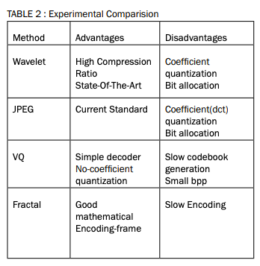
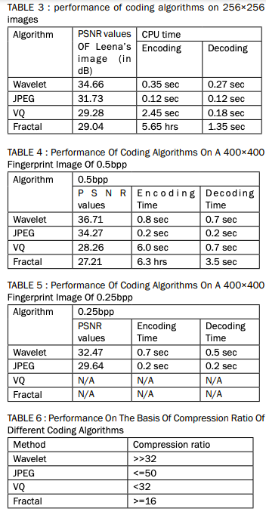
Library Name | Functionality/Images supported |  | Compressed/Decompressed Ratio | Link | Implementation Link/ Code
Pillow | -Successor of PIL(Python Imaging Library) -30+ image format supported:JPEG, PNG, GIF and WebP -Uses Bilinear(simplest), Bicubic(4x4 pixel neighbourhood) and Lanczos (Antialias uses 8x8 neighbourhood) |  |  | https://buildmedia.readthedocs.org/media/pdf/pillow/latest/pillow.pdf
Img4web | For images from web |  |  | https://www.findbestopensource.com/product/joedicastro-img4web
smush.py | web |  |  | https://pypi.org/project/smush/
Tinify | -optimizing JPEG and PNG images. -It offers a nice API that allows you to access its methods from within another application | API based.. needs signing up and API key |  | https://tinypng.com/developers/reference/python
scikit-image | -versatile set of features, including image rescale, optimization techniques and transformations. |  |  | https://scikit-image.org/
Run Length Encoding | For Binary Images. exploits redundancy of values in an image. For example, there may be repeated pixels in an image. The idea is to use a start pixel to represent the identity of a sequence of same pixels, and use a number to note the length of the pixel sequence |  |  | https://ieeexplore.ieee.org/stamp/stamp.jsp?arnumber=818515
Huffman Coding | length close to the entropy coding, assigns long code words to more probable symbols |  |  | https://ieeexplore.ieee.org/stamp/stamp.jsp?arnumber=818515
Arithmetic Coding | Assigns code words of variable length to symbol block with variable length. There are two key elements in arithmetic coding: the probability of occurrence of each symbol, and the interval [0,1). |  |  | https://ieeexplore.ieee.org/stamp/stamp.jsp?arnumber=818515
LZW Coding | Dictionary based algorithm : If one wants to let another one refer to the phrase he/she is referring to, he/she can designate (page no, order no.) instead of the actual word. In other words, it uses the address information to designate a piece of message. This idea can also be implemented in image compression. A sequence of pixel values can be represented as an index (address) of the pixel message if it appears often in the message. |  |  | https://ieeexplore.ieee.org/stamp/stamp.jsp?arnumber=818515
SLIC Encodig | Its main idea is to first separate the input image into different parts, and then apply JBIG compression to the parts. |  |  | https://ieeexplore.ieee.org/stamp/stamp.jsp?arnumber=818515

http://citeseerx.ist.psu.edu/viewdoc/download?rep=rep1&type=pdf&doi=10.1.1.219.4900

BenchmarkingImage Compression
S.No | Library Used | Programming Language | Algorithm Used |  | Original Image Size | Compressed Image Size | Compression Ratio |  | Compression Speed(in Seconds) |  | Space Saving | Comments
1 | Pillow | Python | Inbuilt - Lossless |  | 3.2 MB | 3 MB | 1.06 |  | 1.6794643 |  | 6.25% | We’re reshaping the image because each pixel has the same meaning (color), so they don’t have to be presented as a grid.
2 | Pillow & Numpy | Python | K-Means (Unsupervised) Iterations = 20 |  | 3.2 MB | 1.1 MB | 2.91 |  | 366.285216 |  | 65.63%
3 | pyguetzli |  | Zopfli Algorithm -color space transform -discrete cosine transform -quantization. |  | 3.2 MB | 573KB | 5.7187 |  | 329.8594615 |  | 82.51% | A Python binding for Google’s Guetzli library, which is a encoder that yields 20-30% smaller images in comparison to libjpeg
4 | smush.py | Python | Based on Yahoo's smush.it -if animated GIF the uses Gifsicle -if normal GIF then converts to PNG - if PNG uses pngnq to quantize and pngcrush - if JPEG removes metadata, uses jpegtran |  | 3.2 MB | 2.1 MB | 1.5238 |  | 5.397 |  | 34.38%
5 | PyCloudinary | Python | Python package for Cloudinary: operations takes place in cloud |  | 3.2 MB | 1.2 MB | 2.6667 |  | 289.8617 |  | 62.50% | Uses Django package
6 | Huffman Encoding | Python | using Entropy calculations to make huffman tree |  | 3.2 MB | 124 MB( 11MB Compressed)

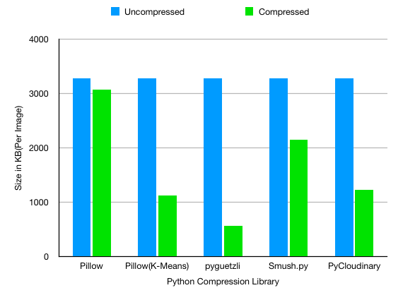

1 | FFmpeg | Converts the video into sequence of images
2 | PyAv | conversts the video in seq of images but keeps as video and adds a frame number with each frame

S.No | Library Used | Programming Language | Algorithm Used | Codec | Original Image Size | Compressed Video Size | Compression Ratio | Compression Speed(in Seconds) | Space Saving | Frames per second | Decompression speed | Comments
1 | Open CV | Python | Similarity index | DIVX/avi | 125.3 MB (40) | 38.5 MB | 3.25 | 33 Seconds | 69.70%
2 | Open CV | Python | Similarity index | DIVX/avi | 2.4 GB (720) | 124 MB | 20.6452 | 40 Seconds | 95.16 | 60 (12 Seconds video) | 61 Seconds (720) | 3.02 --> 1.97
3 | Open CV | Python | Gaussian Blur (CNN's) | DIVX/avi | 2.4 GB (720) | 980 MB/706 MB | 2.61 | 536 seconds | 61.72%% | 15(48 seconds video) | 947 Seconds
4 | PyAv |  | Not suitable
5 | Open CV | Python | Similarity index | XVID/avi | 2.4 GB (720) | 124 MB |  | 20.37 seconds |  | 60 (12 Seconds video) | 80 Seconds (720) | 3.02 --> 1.97
6 | Open CV | Python | Similarity index | MP4V/mp4 | 2.4 GB (720) | 124 MB |  | 20.37 seconds |  | 60 (12 Seconds video) | 80 Seconds (720)
8 | Open CV | Python | Similarity index | FFMPEG/mp4 | 2.4 GB (720) | 124 MB |  | 46 Seconds |  | 60 (12 Seconds video) | 80 Seconds (720)
9 | Open CV | Python | Similarity index | hvc1/hvec/mov | 2.4 GB (720) | 199 MB |  | 34 seconds |  | 60 (12 Seconds video) | 92 seconds | same
 |  |  |  | fourcc tag/'mp4v' codec_id 000C
 |  |  |  | fourcc tag/'avc1' codec_id 001B
 |  |  |  | fourcc tag/'avc3' codec_id 001B
 |  |  |  | fourcc tag/'hev1' codec_id 00AD
 |  |  |  | fourcc tag/'hvc1' codec_id 00AD
 |  |  |  | fourcc tag/'mp4v' codec_id 0002
 |  |  |  | fourcc tag/'mp4v' codec_id 0001
 |  |  |  | fourcc tag/'mp4v' codec_id 0007
 |  |  |  | fourcc tag/'mp4v' codec_id 003D

